Sayfa1
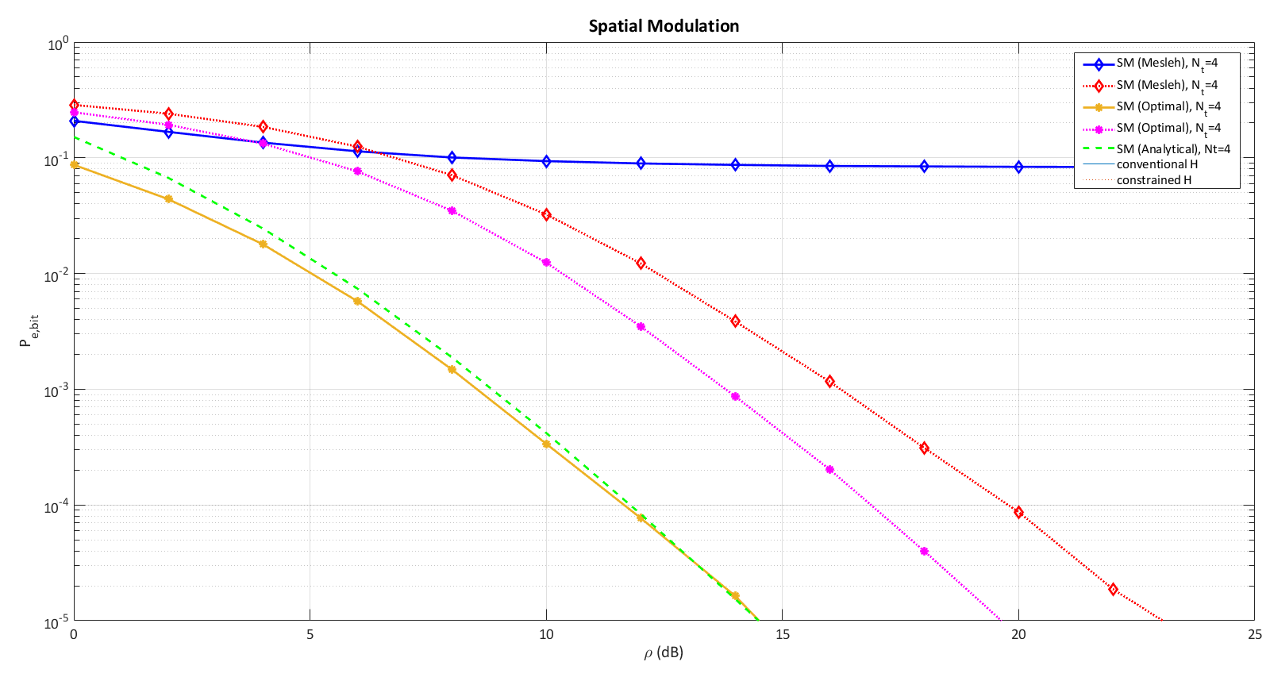
 |  | INTRODUCTION TO CORELAB TASKS

NAME: | ÖZLEM ÖZDEN ZENGİN

FUNDAMENTAL SIMULATIONS

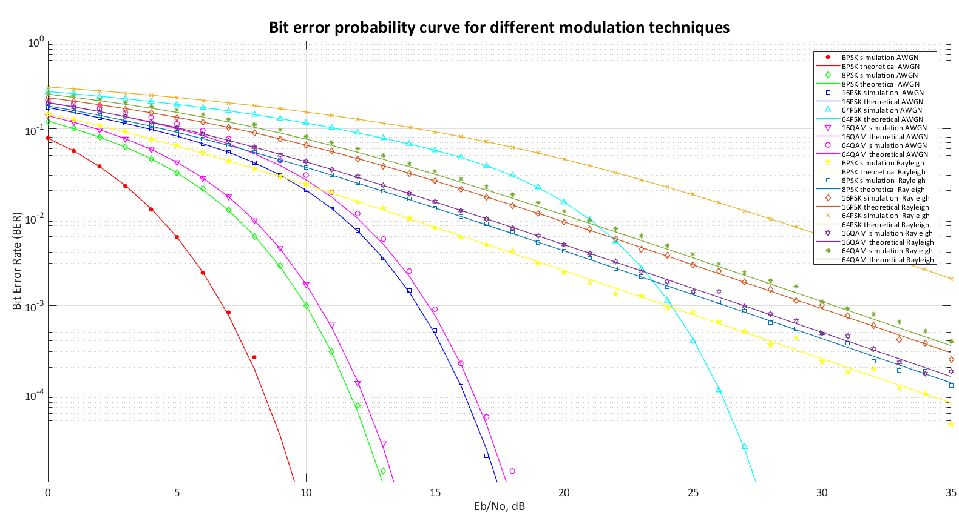

ALAMOUTI & MRC

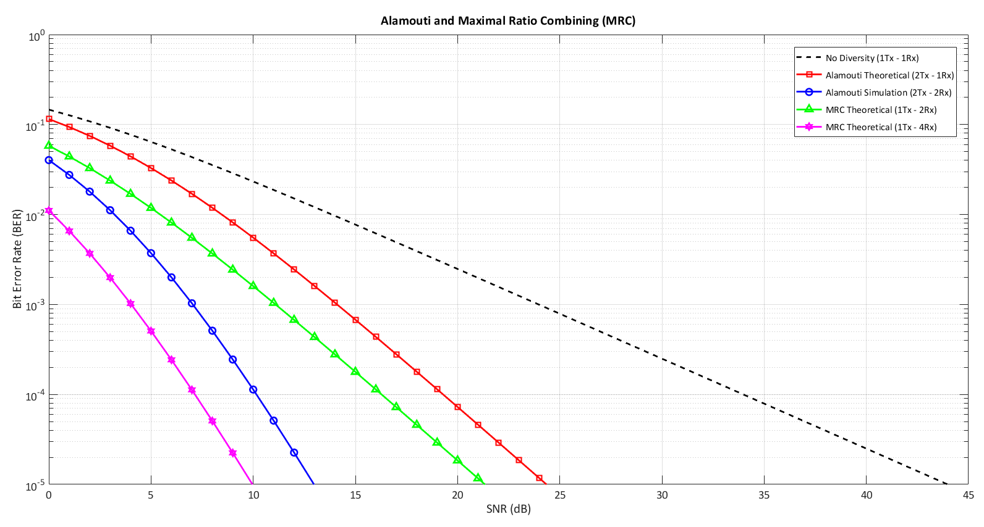

SM

